Query 3.1
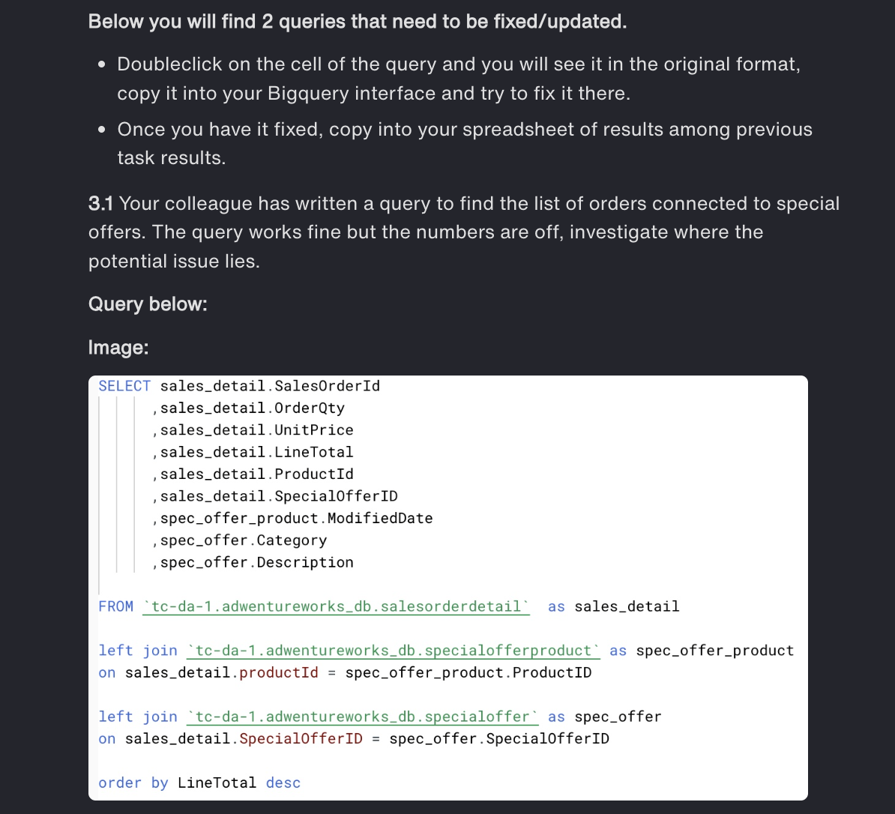
SELECT
# issue in join function formatting
sales_detail.SalesOrderId,
sales_detail.OrderQty,
sales_detail.UnitPrice,
sales_detail.LineTotal,
sales_detail.ProductId,
sales_detail.SpecialOfferID,
spec_offer_product.ModifiedDate,
spec_offer.Category,
spec_offer.Description
FROM
`tc-da-1.adwentureworks_db.salesorderdetail` AS sales_detail
LEFT JOIN
`tc-da-1.adwentureworks_db.specialofferproduct` AS spec_offer_product
ON
sales_detail.ProductId = spec_offer_product.ProductID
LEFT JOIN
`tc-da-1.adwentureworks_db.specialoffer` AS spec_offer
ON
sales_detail.SpecialOfferID = spec_offer.SpecialOfferID
ORDER BY
LineTotal DESC;

Query 3.2
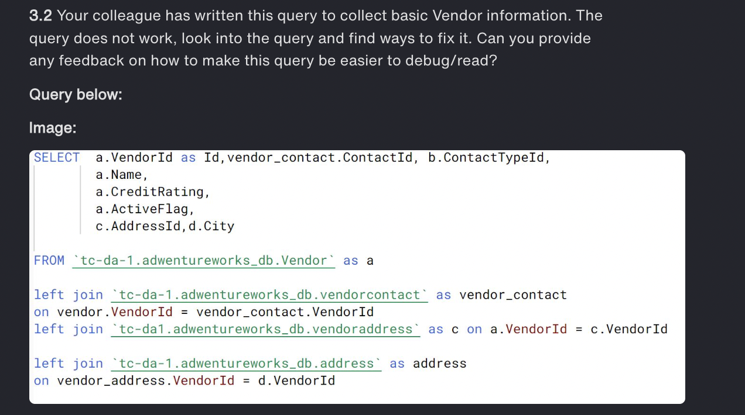
SELECT
# alias issue : incorrect alias usage and typos (e.g., vendor.VendorId should be a.VendorId).
# join function: incorrect join conditions

a.VendorId AS Id,
vendor_contact.ContactId,
vendor_contact.ContactTypeId,
a.Name,
a.CreditRating,
a.ActiveFlag,
c.AddressId,
d.City
FROM
`tc-da-1.adwentureworks_db.vendor` AS a
LEFT JOIN
`tc-da-1.adwentureworks_db.vendorcontact` AS vendor_contact
ON
a.VendorId = vendor_contact.VendorId
LEFT JOIN
`tc-da-1.adwentureworks_db.vendoraddress` AS c
ON
a.VendorId = c.VendorId
LEFT JOIN
`tc-da-1.adwentureworks_db.address` AS d
ON
c.AddressId = d.AddressId;

